Test_Case
Requirement ID | TC_ID | TC Title/ Objectiv | pre- condition | Test Case | TEST DATA | Expected Result | Status | Attachment | Environment
REQ_OPENACC_001 | TC_001 | Validate opening a checking account | user is logged in | 1. Go to "Open New Account" 2. Select "Checking" from account type dropdown 3. Click "Open New Account" | 1 - Account type: "Checking", 2 - an existing account to transfer funds into the new account | System opens new checking account and shows confirmation with new account number | APPROVED |  | MacOS Sonoma using Edge browser Version 135.0.3179.85 (Official build) (x86_64)
REQ_OPENACC_002 | TC_002 | Validate opening a savings account | user is logged in | 1. Go to "Open New Account" 2. Select "Savings" from account type dropdown 3. Click "Open New Account" | 1 - Account type: "Saving", 2 - an existing account to transfer funds into the new account | System opens new savings account and shows confirmation with new account number | APPROVED |  | MacOS Sonoma using Edge browser Version 135.0.3179.85 (Official build) (x86_64)
REQ_OPENACC_003 | TC_003 | Validate that the new account is created and visible under "Accounts Overview" | user is logged in | 1. Navigate to "Accounts Overview" | 1 - Having Account type: "Checking" or "Savings" | New account is successfully created and visible under "Accounts Overview" | APPROVED | 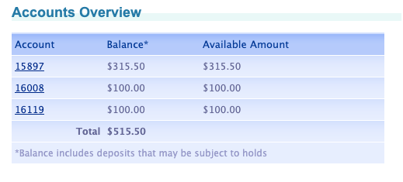 | MacOS Sonoma using Edge browser Version 135.0.3179.85 (Official build) (x86_64)
REQ_OPENACC_004 | TC_004 | User can start transferring funds into the new account | user is logged in | 1. Create a new account 2. Go to "Transfer Funds" 3. Select source account and destination as the new account 4. Enter amount and submit transfer | Amount: 100 Source: Existing account Destination: New account (Checking or saving) | Transfer completes successfully, and the amount appears in the new account balance | APPROVED |  | MacOS Sonoma using Edge browser Version 135.0.3179.85 (Official build) (x86_64)

